Context
CONTEXT
2022-03-10 09:04:02 |  | 2024-08-20 16:45:30
1
 | Context selection

 | Cube |  | tango_core_model:Report_LTP

 | Activity |  | RECALC_0_123_

 | Currency |  | RECALC_0_10_

 | LTP_Components |  | RECALC_0_4_ |  |  | Periods

 | Language |  | French |  |  | n-1 | n | n+1 | n+2 | n+3 | n+4 | n+5 | n+6

 |  |  |  | Weighting |  | #VALUE! | LC_0 | #VALUE! | #VALUE! | #VALUE! | #VALUE! | #VALUE! | #VALUE!
 |  |  |  |  |  | #VALUE! | f_year_LC_0 | #VALUE! | #VALUE! | #VALUE! | #VALUE! | #VALUE! | #VALUE!
 | Current_LTP |  | RECALC_0_15_ |  | LTP 2021 | #VALUE! | RECALC_1_332_ | #VALUE! | #VALUE! | #VALUE! | #VALUE! | #VALUE! | #VALUE!

 | Weighting_Current_LTP |  | W_APP

 | Last_Year_LTP (LY_LTP) |  | RECALC_0_0_ |  | LTP 2020 | #VALUE! | RECALC_1_331_ | #VALUE! | #VALUE! | #VALUE! | #VALUE! | #VALUE! | #VALUE!

 | Weighting_LY_LTP |  | W_APP

2
 | Refresh Data
file update

All activity | Corporate CGU allocation | non vu par pays
Urban | Disposal Plan - Corp. Adjustments | non vu par pays
Bus (Urban) | ZGP & Action Plan - Country
Light rail | Action Plan - Country
Metro | ZGP & Action Plan - Corp. Adjustments
Multi-modal (Urban) | Action Plan - Corp. Adjustments
Cycles sharing | Organic Growth - Country
Car sharing | Organic Growth - Corp. Adjustments
Boat | External Growth - Country
Urban - Input technical activity | External Growth - Corp. Adjustments
Suburban | Disposal Plan - Country
Bus/Coach (Suburban)
Heavy Rail (Suburban)
Multi-modal (Suburban)
Suburban - Input technical activity
Subsidized on demand
Paratransit
Multi-modal (Subsidized on demand)
Subsidized on demand - Input technical activity
Regional Coach
Schools
Regular lines
Charter / Occasional
Urban sub contracting
Shared (Regional coach)
Regional Coach - Input technical activity
Heavy rail activities
Regional heavy rail
National / International heavy rail
Heavy rail - Input technical activity
National / International coaches
Ferries
Commercial on demand
Single ride
Shared ride
Commercial on demand - Input technical activity
Airport transportation
Airside
Landside
Airport transportation - Input technical activity
Other Services
Airport services
Maintenance
Consulting/AMO
Intermodality services
Digital services
Diagnosis
Call centers
Travel agency
Purchase for resale
Other Services - Input technical activity
Holding
Not affected

Liste des ajustements
Liste des ajustements pays et des ajustements Top

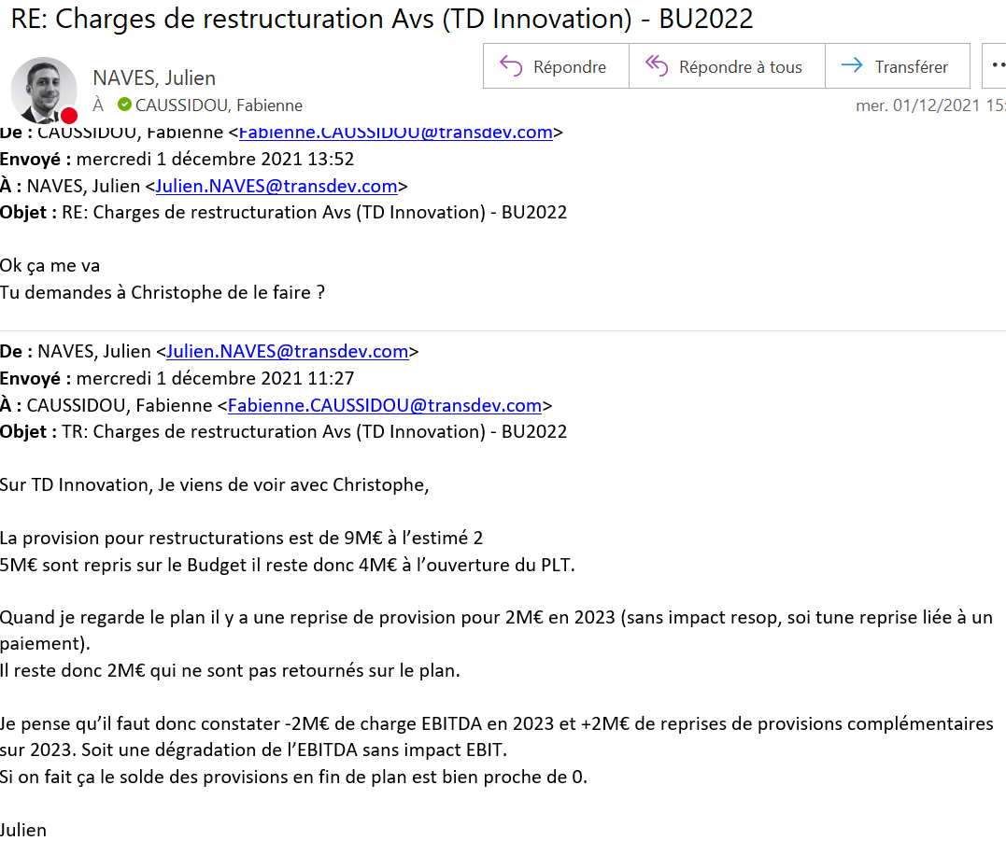
Qui | Topic | Entité / Pays | Activité | Dimension | Date | Commentaires
Ajustements Corp de la version présentée en janvier

Ajustements Corp de la version présentée en mars

Calcul du montant d'ajustement de la sécurité top ZGP pour atteindre 100M€ RN en 2024

 |  | Avant ajustement | Ajustement | Cible

 | EBIT |  | #VALUE! | #VALUE!
 | Financial Result | #VALUE! | 0.00000 | #VALUE!
 | IS |  | #VALUE! | #VALUE!
 | Non controlling Interest |  | 0.00000 | 0.00000
 | Nt result |  | #VALUE! | 100.00000
 | Taux iS | #VALUE! |  | #VALUE!

 | ZGP | VTD_Corp_TopAdj_Not_allocated_Input1
 |  | Avant ajustement | Ajustement | Cible
 | EBIT |  | 0.00000 |  | 0.00
 | IS |  | #VALUE! | #VALUE! | #VALUE!
 | Nt result |  | #VALUE! | #VALUE!
 |  |  | #VALUE! | #VALUE!
 |  |  |  | 0.00

Calcul des dividendes versés à la CDC
 |  | RECALC_1_638_ RECALC_0_415_ | RECALC_2_718_ RECALC_1_416_ | RECALC_3_798_ RECALC_2_417_ | RECALC_4_878_ RECALC_3_418_ | RECALC_5_958_ RECALC_4_419_ | RECALC_6_1039_ RECALC_5_420_
 | RN | RECALC_1_560_ | RECALC_2_642_ | RECALC_3_724_ | RECALC_4_802_ | RECALC_5_955_ | RECALC_6_960_
 | Dividendes en K€ |  | #VALUE! | #VALUE! | #VALUE! | #VALUE! | #VALUE!

Country_Top_Adj 2020
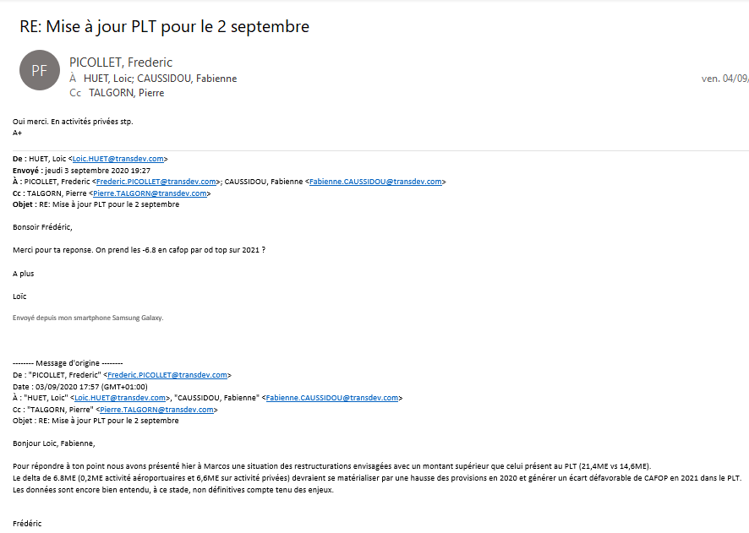
Liste des ajustements pays en dehors des ajustements Top

Entité / Pays | Activité | Dimension | Date | Commentaires

